Income Statement
Income Statement

Projected Revenue Expansion: 2026 – 2030
 | 2026 | 2027 | 2028 | 2029 | 2030
Gross Sales | 3467.7 | 7202.9 | 14030.9 | 24130.2 | 35994.2
Sales Tax | 529.0 | 1098.7 | 2140.3 | 3680.9 | 5490.6
Net Sales | 2938.7 | 6104.1 | 11890.6 | 20449.3 | 30503.6
COS | 1371.9 | 2838.1 | 5540.5 | 9583.0 | 14460.4
Gross Profit | 1566.8 | 3266.1 | 6350.1 | 10866.3 | 16043.1
Selling Expenses | 323.3 | 671.5 | 1308.0 | 2249.4 | 3050.4
Admin. Expenses | 356.7 | 624.4 | 997.3 | 1341.6 | 1879.9
EBITDA | 886.9 | 1970.2 | 4044.9 | 7275.3 | 11112.9
Depreciation | 17.6 | 17.5 | 16.2 | 15.1 | 14.3
Amortization | 0.00083 | 0.00083 | 0.00083 | 0.00083 | 0.00083
EBIT | 869.3 | 1952.8 | 4028.7 | 7260.1 | 11098.6
Interest | 37.5 | 63.4 | 43.8 | 25.3 | 8.1
EBT | 831.8 | 1889.3 | 3985.0 | 7234.8 | 11090.5
Tax | 241.21 | 547.90 | 1155.64 | 2098.09 | 3216.24
Net Income | 590.6 | 1341.4 | 2829.3 | 5136.7 | 7874.2

Ratios
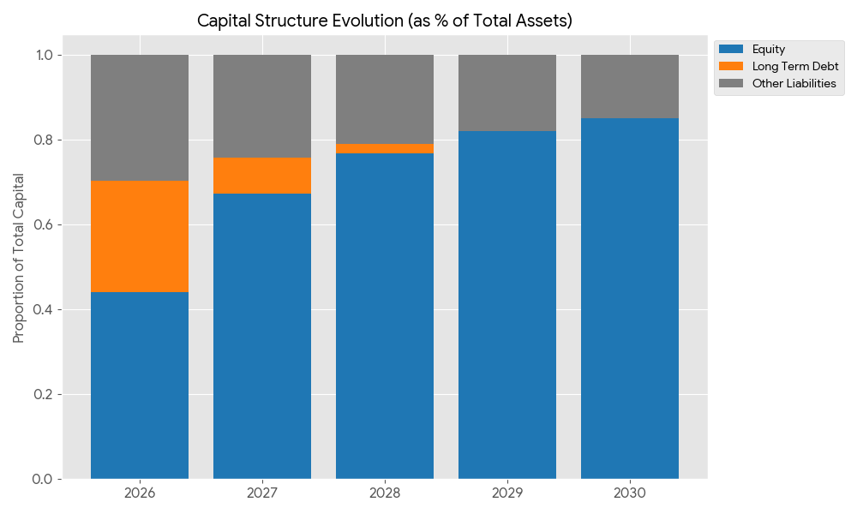
 | 2026 | 2027 | 2028 | 2029 | 2030
Vertical Analysis
Gross Profit Margin | 53.32% | 53.51% | 53.40% | 53.14% | 52.59%
Operating Profit Margin | 29.58% | 31.99% | 33.88% | 35.50% | 36.38%
Net Profit Margin | 20.10% | 21.98% | 23.79% | 25.12% | 25.81%
Current Assets/TotalAssets | #REF! | 95.91% | 97.97% | 98.92% | 99.38%
Cash/TotalAssets | #REF! | 56.95% | 62.80% | 66.90% | 70.93%
Short term loan/TotalAssets | #REF! | 0.0% | 0.0% | 0.0% | 0.0%
Long term loan/TotalAssets | #REF! | 8.53% | 2.21% | 0.00% | -0.72%
Equity/TotalAssets | #REF! | 67.30% | 76.76% | 82.18% | 85.13%

Horizantal Analysis
Gross Revenue |  | 107.71% | 94.80% | 71.98% | 49.17%
Net Income |  | 127.14% | 110.92% | 81.55% | 53.29%
Expanding Profitability & Operational Efficiency
Current Assessts |  | #REF! | 96.91% | 83.73% | 69.32%
Inventory |  | #REF! | 75.70% | 53.75% | 50.90%
Account receivable |  | #REF! | 73.15% | 71.98% | 49.17%
Account payable |  | #REF! | 82.20% | 60.61% | 50.90%
Short term loan
Long term loan |  | 0.00% | -50.00% | -100.00% | 0.00%
Equity |  | #REF! | 119.87% | 94.79% | 74.60%

Ratios
Current Ratio | #REF! | 3.97 | 4.66 | 5.55 | 6.37
Quick Ratio | #REF! | 3.42 | 4.08 | 4.98 | 5.79
Return on equity | #REF! | 0.68 | 0.65 | 0.61 | 0.53
Return on Assests | #REF! | 0.46 | 0.50 | 0.50 | 0.45
Int. Coverage | 23.18 | 30.78 | 92.08 | 286.82 | 1365.98
Total Loans/TA | #REF! | 0.13 | 0.04 | 0.01 | 0.00
Total Loans/Equity | #REF! | 0.19 | 0.06 | 0.01 | 0.00

Dupont Analysis
Roe = Net profit margin x Asset Turnover x Equity Multiplier

Roe = (Net Income/net sales) x (Net Sales / Total Assets) x (Total Assets/Equity) | 2026 | 2027 | 2028 | 2029 | 2030
 | #REF! | 68.03% | 65.26% | 60.83% | 53.41%

ROE declines due to equity growth and deleveraging, while profitability and shareholder value continue to improve.
Return on Equity (ROE): Normalizing for Sustainable Value

Break-even analysis
Break-even analysis

Year | Net Sales | Variable Costs (COS) | Fixed Costs | Contribution Margin | CM Ratio | Break-Even Revenue | Year | Total Revenue (TR) | Total Costs (TC) | Fixed Costs (FC) | Break-Even Revenue (BEP)
2026 | 2938.7 | 1371.9 | 735.1 | 1566.8 | 0.533164995 | 1378.67 | 2026 | 2938.7 | 2107.0 | 735.1 | 1378.67
2027 | 6104.1 | 2838.1 | 1376.8 | 3266.1 | 0.535057829 | 2573.09 | 2027 | 6104.1 | 4214.8 | 1376.8 | 2573.09
2028 | 11890.6 | 5540.5 | 2365.2 | 6350.1 | 0.534047330 | 4428.78 | 2028 | 11890.6 | 7905.6 | 2365.2 | 4428.78
2029 | 20449.3 | 9583.0 | 3631.5 | 10866.3 | 0.531378234 | 6834.11 | 2029 | 20449.3 | 13214.5 | 3631.5 | 6834.11
2030 | 30503.6 | 14460.4 | 4952.7 | 16043.1 | 0.525942913 | 9416.72 | 2030 | 30503.6 | 19413.1 | 4952.7 | 9416.72
Operational Stability: Sales vs. Break-even Point
Luxewall Break-Even Analysis

